Contacts
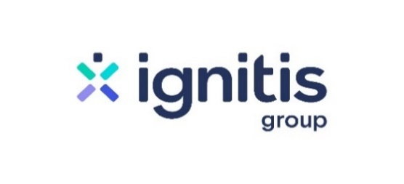

 | Fact sheet Q1 2022

Investor Relations Officer
Ainė Riffel-Grinkevičienė
aine.riffel-grinkeviciene@ignitis.lt
+370 643 14925

Website
www.ignitisgrupe.lt/en/investors

